Charts & Visual Variabes
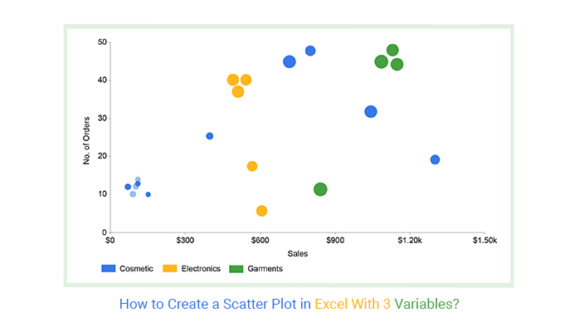
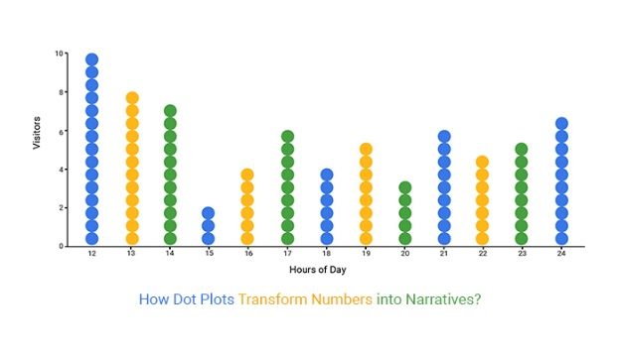
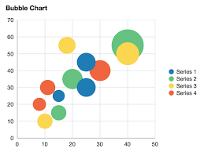
Graph Type | Visual Variables Used | Position | Color | Length | Width | Shape | Size | Slope | Angle | Area | Intensity | Connection
Bar Chart | Position, Color, Length, Width | ✅ | ✅ | ✅ | ✅ | ❌ | ❌ | ❌ | ❌ | ❌ | ❌
Histogram | Position, Color, Length, Width | ✅ | ✅ | ✅ | ✅ | ❌ | ❌ | ❌ | ❌ | ❌ | ❌
Stacked Bar Chart | Position, Color, Length | ✅ | ✅ | ✅ | ❌ | ❌ | ❌ | ❌ | ❌ | ❌ | ❌
Line Chart | Position, Color, Length, Slope | ✅ | ✅ | ✅ |  |  |  | ✅ |  |  |  | ✅
Density Plot | Position, Color, Shape, Slope | ✅ | ✅ |  |  | ✅ |  | ✅
Violin Plot | Position, Color, Shape, Width | ✅ | ✅ |  | ✅ | ✅
Box Plot | Position, Color, Shape, Length | ✅ | ✅ | ✅ |  | ✅
Scatter Plot | Position, Color, Shape, Size | ✅ | ✅ |  |  | ✅ | ✅
Dot Plot | Position, Color, Shape | ✅ | ✅ |  |  | ✅
Bubble Chart | Position, Color, Size | ✅ | ✅ |  |  |  | ✅
Heatmap | Position, Color, Intensity | ✅ | ✅ |  |  |  |  |  |  |  | ✅
Choropleth Map | Position, Color, Intensity | ✅ | ✅ |  |  |  |  |  |  |  | ✅ | ✅
Radar Chart (Spider Chart) | Position, Length, Color, Angle | ✅ | ✅ | ✅ |  |  |  |  | ✅ |  |  | ✅
Pie Chart | Color, Area, Angle |  | ✅ |  |  |  |  |  | ✅ | ✅
Donut Chart | Color, Area, Length |  | ✅ | ✅ |  |  |  |  |  | ✅
Tree Map | Position, Color, Area | ✅ | ✅ |  |  |  |  |  |  | ✅ |  | ✅
Area Chart | Position, Color, Area, Length | ✅ | ✅ | ✅ |  |  |  |  |  | ✅ |  | ✅
Network Graph | Position, Length, Color, Size | ✅ | ✅ | ✅ |  |  | ✅ |  |  |  |  | ✅
Gantt Chart | Position, Length, Color | ✅ | ✅ | ✅ |  |  |  |  |  |  |  | ✅

